Water
Water homogeneous nucleation rate calculation
 | Water saturation vapor pressure
 | (Buck Research Manual (1996); updated equation from Buck, A. L., New equations for computing vapor pressure and enhancement factor, J. Appl. Meteorol., 20, 1527-1532, 1981)
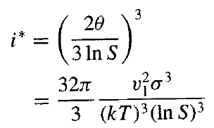
 | pw = 6.1121 e(18.678 - t / 234.5) t / (257.14 + t)
 | with t is temperature in °C and pw is water saturation vapor pressure in hpa

T (K) | t ( C ) |  | pw (hpa) | k (erg/K) | v1 (cm3) | m1 (g) | sigma (dyn/cm2)
298 | 25 | water | 31.685314123 | 1.38E-16 | 2.99E-23 | 2.9900332226E-23 | 72

 | S |  | N1 (#/cm3)=P/kT | J (#/cm3s) | i*
 | 2 |  | 1.54E+18 | 1.48E-47
 | 3 |  | 2.31E+18 | 9.32E-04
 | 4 |  | 3.08E+18 | 6.69E+07
 | 5 |  | 3.85E+18 | 3.96E+12
 | 6 |  | 4.62E+18 | 1.88E+15
 | 7 |  | 5.39E+18 | 9.80E+16
 | 8 |  | 6.16E+18 | 1.56E+18

